CCS
CCS | CCS_021
memo | ID | Step | Verification items | detail | 전압 | 전원 | Execution Procedure | Expected value | 결과 | Envidence | 측정값 | 비고 | 매뉴얼 기본 | 자동화 기본 | 자동화 반영 | 사양구분
[BLTN_CAM-Function-021] Built-in Cam Information Transmission (SOME/IP)
 | CCS_001 | 1 | SOME/IP related to built-in cam information transmission while driving | Check BLTN_CAM ↔ CCU SOME/IP connection status | 12 V | B+ | ▪ IGN ON ▪ Enter Built-in Cam Mode ▪ Play Random Driving Continuous Video | ▪ Built-in Cam → Transmits CCU SwInfo, Status information (Verified by checking SOME/IP communication status) : Video list displayed normally, recorded video plays normally |  |  |  | 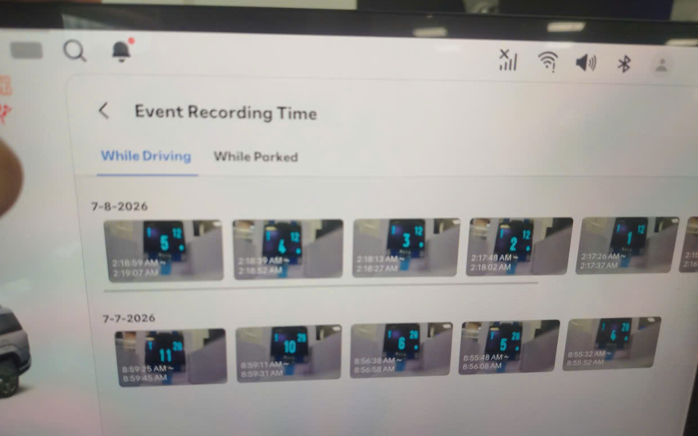 | O |  | X | 주차녹화_지원
[BLTN_CAM-Function-022] Parking Impact Detection Storage Notification
 | CCS_003 | 1 | [BLTN_CAM_STAT_PE_00_200ms] BLTN_CAM_Prk_Oprable_Time - CCS function | Operable time updated upon network wake-up during parking recording | 12 V | B+ | ▪ Power Bank Linkage Function Tab T/C: BAT_014 Execute | ▪ T/C: BAT_014 Satisfied with expected results |  |  |  |  |  |  | X | 주차녹화_지원
[Parking Event Impact Recording] CCS Function (Vehicle Verification) Built-in cam parking impact detection, storage, notification, and file transfer service | CCS_005 | 1 | [Parking Event Impact Recording] CCS Function (Vehicle Verification) | Check BLTN_CAM_PEV_Recorded signal | 12 V | B+ | ▪ Built-in Cam Main Screen ▪ [Settings] - [Recording] - [Recording While Parked] - Turn on Parking Event and Event Notification Settings ▪ Set Parking Event Sensitivity to 3 (Medium) ▪ Enter Parking Recording ▪ Balarm_BglrAlrmCurrentSta = 0x2(Arm) ▪ Enable Impact Event | ▪ From the time recording is complete until video information transmission is complete (max. 5 minutes) : BLTN_CAM_PEV_Recorded = 0x02 (Park Event Recorded) |  |  |  |  | O |  | X | 주차충격 알림_지원
 |  | 2 |  | Check if to wake up when proceeding from sleep state | 12 V | B+ | ↑ ▪ Enter Network Sleep ▪ Authorize Shock Event | ▪ From the time recording is complete until video information transmission is complete (max. 5 minutes) : BLTN_CAM_PEV_Recorded = 0x02 (Park Event Recorded) ▪ Enter network sleep after completion |  |  |  | 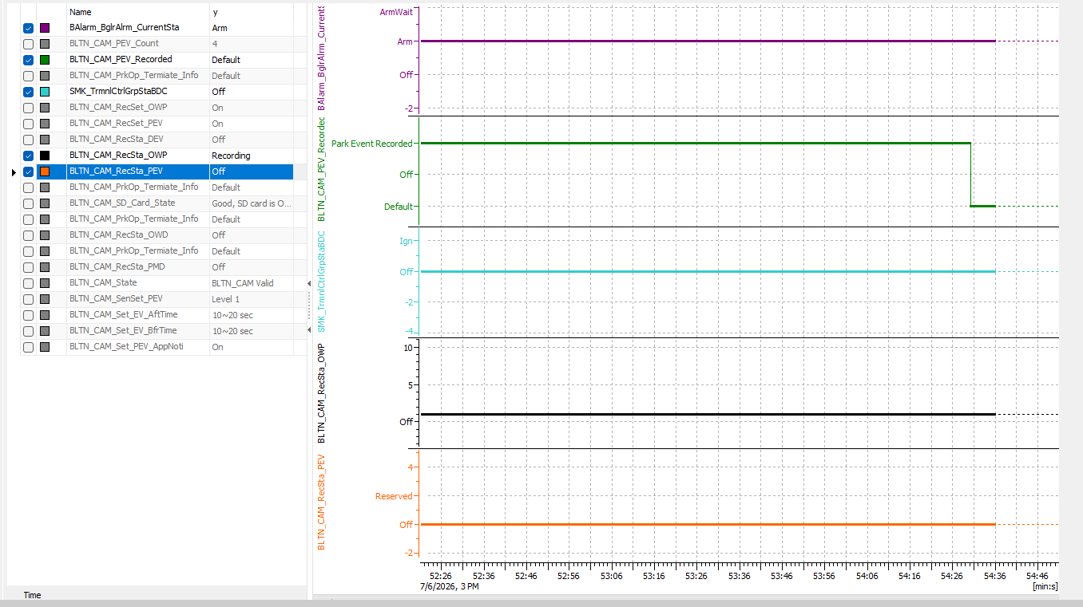 | O |  | X | 주차충격 알림_지원
 |  | 3 |  | Confirm transmission of impact recording video via BlueLink app | 12 V | B+ | ↑ ▪ Check notifications in the BlueLink app | ▪ BlueLink app push notification triggered ▪ Downloaded video plays normally (Additionally confirmed impact count, SD card status displayed as good, and available parking recording time displayed correctly) |  |  |  |  |  |  | X | 주차충격 알림_지원
 |  | 4 | [Impact recording during parking motion recording] CCS function (Vehicle verification) | Check BLTN_CAM_PEV_Recorded signal | 12 V | B+ | ▪ Built-in Cam Main Screen ▪ [Settings] - [Recording] - [Recording While Parked] - Turn ON Parking Motion, Parking Event, and Event Notification Settings ▪ Set Parking Event Sensitivity to 3 (Medium) ▪ KEY OFF → Enter Parking Motion Recording ▪ Balarm_BglrAlrmCurrentSta = 0x2(Arm) ▪ Enable Impact Event | ▪ From the time recording is complete until video information transmission is complete (max. 5 minutes) : BLTN_CAM_PEV_Recorded = 0x02 (Park Event Recorded) |  |  |  | 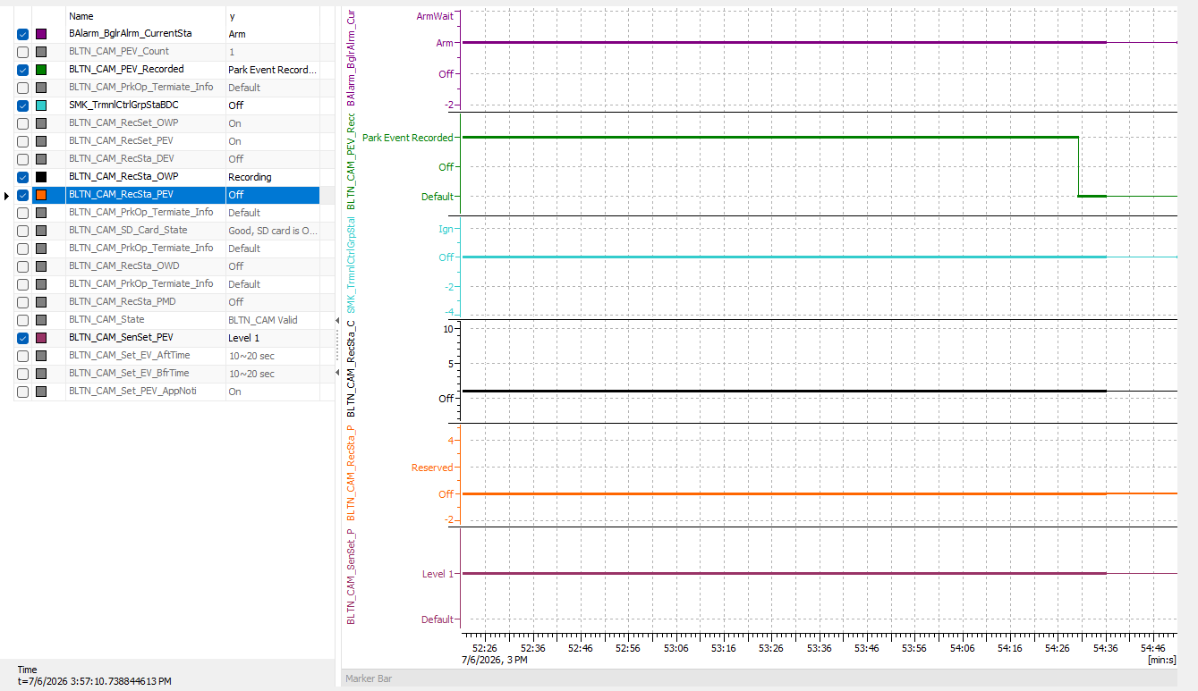 |  |  | X | 모션감지_지원
 |  | 5 |  | Check if to wake up when proceeding from sleep state | 12 V | B+ | ↑ ▪ Enter Network Sleep ▪ Authorize Shock Event | ▪ From the time recording is complete until video information transmission is complete (max. 5 minutes) : BLTN_CAM_PEV_Recorded = 0x02 (Park Event Recorded) ▪ Enter network sleep after completion |  |  |  | 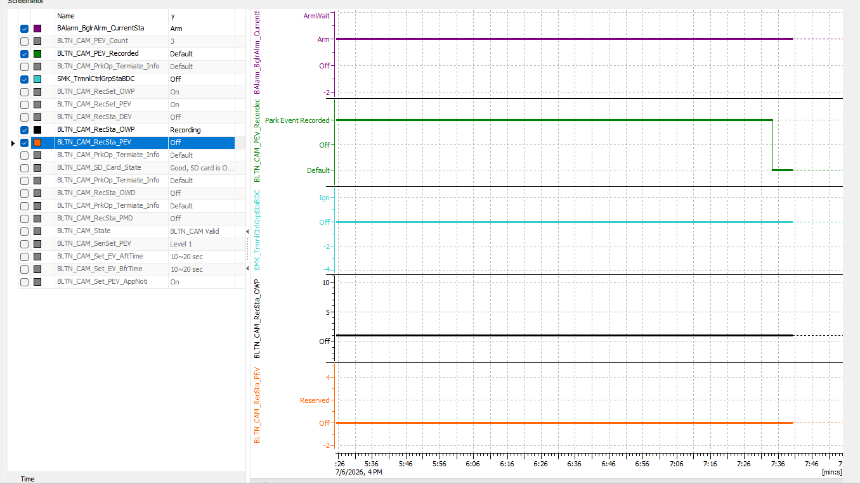 |  |  | X | 모션감지_지원
 |  | 6 |  | Confirm transmission of impact recording video via BlueLink app | 12 V | B+ | ↑ ▪ Check notifications in the BlueLink app | ▪ BlueLink app push notification triggered ▪ Downloaded video plays normally (Additionally confirmed impact count, SD card status displayed as good, and available parking recording time displayed correctly) |  |  |  |  |  |  | X | 모션감지_지원
 |  | 17 |  | Set Event CCS notification function to ON, set event recording time to -10s to +10s, and authorize continuous parking events. | 12 V | IGN | ▪ Impact detected at 2-second intervals for 1 minute under conditions where parking event recording is enabled | ▪ No slowdowns, no reboots, and no missing recording files ▪ Impact count values ​​match the recorded video |  |  |  |  |  |  | X | 주차충격 알림_지원
 |  | 18 |  | Set Event CCS notification function to ON, set event recording time to -15s to +15s, and authorize continuous parking events. | 12 V | IGN | ▪ Impact detected at 2-second intervals for 1 minute under conditions where parking event recording is enabled | ▪ No slowdowns, no reboots, and no missing recording files ▪ Impact count values ​​match the recorded video |  |  |  | 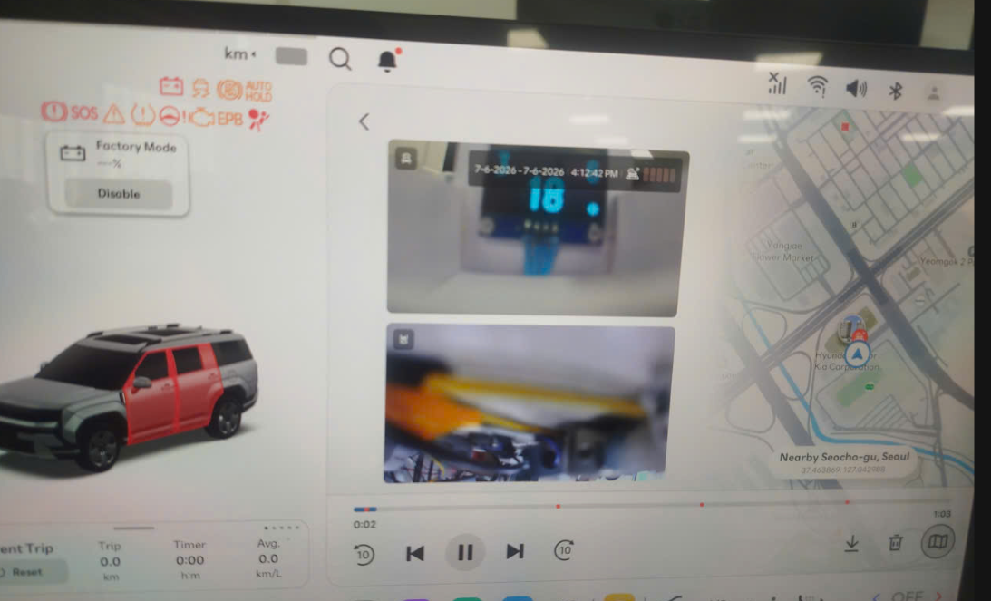 |  |  | X | 주차충격 알림_지원
 |  | 19 |  | Set Event CCS notification function to ON, change event recording time to -20s to +20s, and authorize continuous parking events. | 12 V | IGN | ▪ Impact detected at 2-second intervals for 1 minute under conditions where parking event recording is enabled | ▪ No slowdowns, no reboots, and no missing recording files ▪ Impact count values ​​match the recorded video |  |  |  | 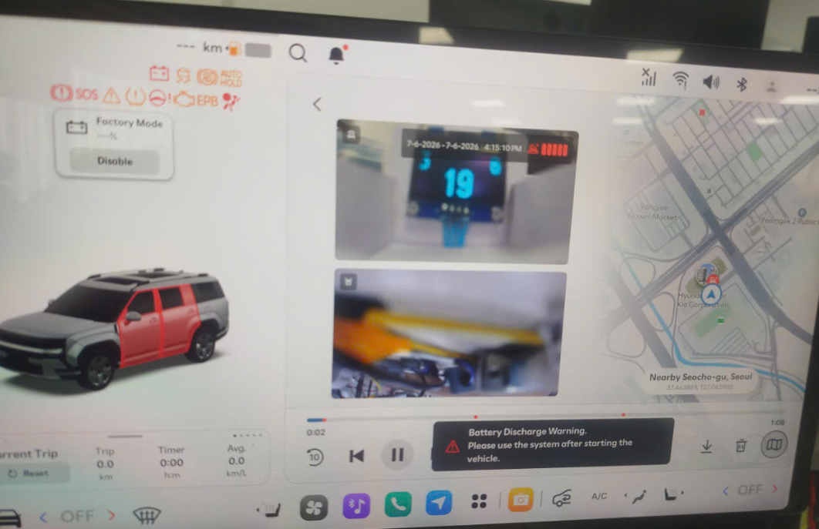 |  |  | X | 주차충격 알림_지원
2nd generation and 2.5th generation have different resolutions | CCS_011 | 1 | [Check Video Storage Specifications] : CCS File Specifications | Checking Event Video Storage Specifications for CCS While Parked | 12 V | IGN | ▪ Key Off ▪ Continuous recording while parked (1 minute) ▪ Parking impact triggered ▪ After parking impact recording is complete and BLTN_CAM_PEV_Recorded = 0x2, Connect via ADB and copy the mp4 file from the /mnt/data/video folder to the SD card. ▪ Remove the SD card and check the video. | ▪ Front/Rear Resolution: 1280 * 720 ※ 2.5 Gen: 1490 * 720 ▪ Save/Playback Frame Rate: 10 FPS ▪ 1.5 Mbytes or less per file (based on 20 seconds) ▪ 10 seconds before the event ~ 10 seconds after, total 20 seconds ▪ Confirm saving of OSD area within event video for CCS - Date / Impact Intensity / GPS |  |  |  | 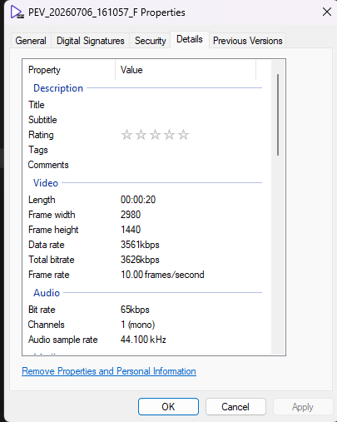 JG1 P2 단계 이후 차종 현재 적용 차종 - GN7 FL - US4 KV(JAP) - DL3 PE2 |  |  | X | 주차충격 알림_지원
 |  | 2 |  | Check thumbnail file specifications for CCS while parked | 12 V | IGN | ▪ Key Off ▪ Continuous recording while parked (1 minute) ▪ Parking impact triggered ▪ After parking impact recording is complete and BLTN_CAM_PEV_Recorded = 0x2, Connect via ADB and copy the jpg file from the /mnt/data/video folder to the SD card. ▪ Remove the SD card and check the video. | ▪ Front/Rear Resolution: 640 * 480 (Updated January 24) ※ 2.5 Gen: 640 * 480 ▪ Save/Playback Frame Rate: 10 FPS ▪ 90 Kbytes or less per file (based on 20 seconds) ▪ Confirmed saving of OSD area within event video for CCS - Date / Impact Intensity / GPS |  |  |  |  |  |  | X | 주차충격 알림_지원
[BLTN_CAM-Function-023] Parking Recording End Notification
[SD Card Impact Check] BLTN_CAM_PrkOp_Termiate_Info | CCS_012 | 1 | [SD Card Impact Check] BLTN_CAM_PrkOp_Termiate_Info | Turn off the key with the SD card removed | 12 V | IGN | ▪ Parking Continuous Recording Setting On ▪ KEY OFF with SD Card Removed | ▪ Enter Sleep (Satisfies the dark current condition of 2mA or less during parking recording) : Consumes current in accordance with parking recording specifications to enable parking recording when an SD card is inserted. |  |  |  | 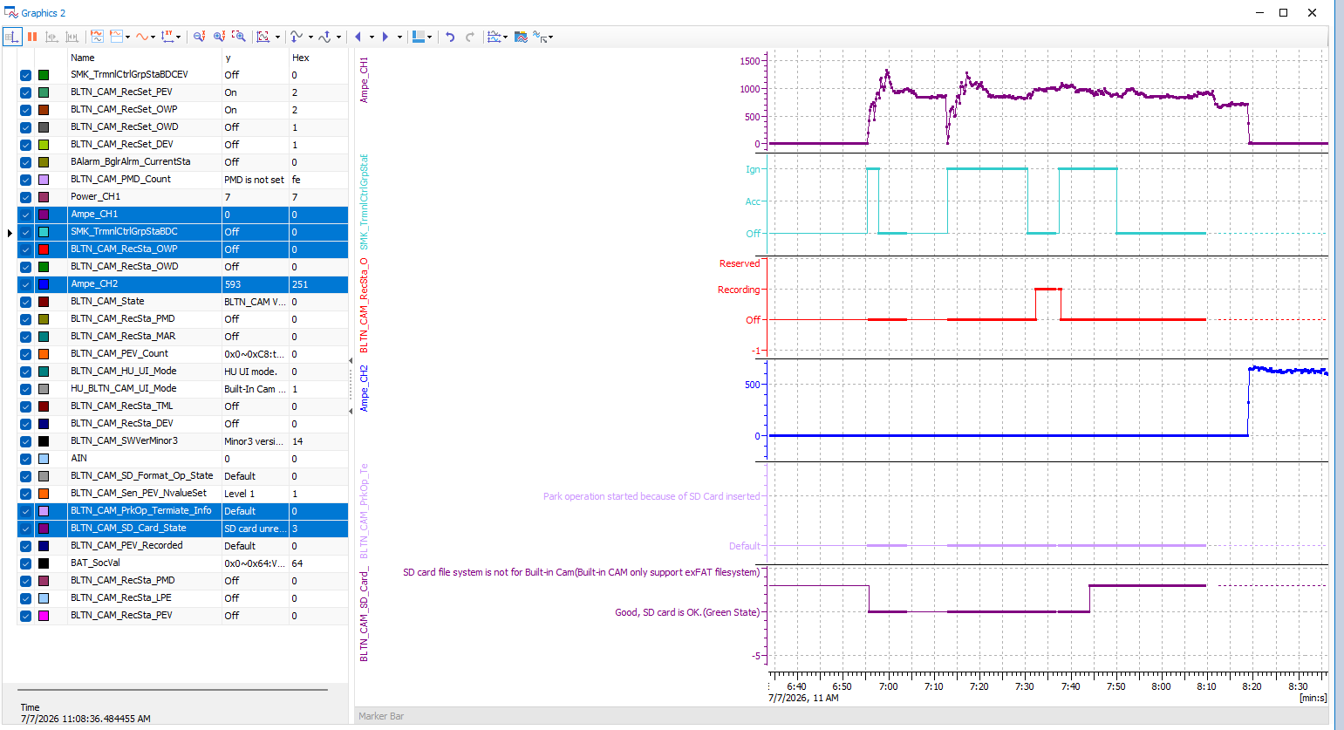 |  |  | X | 주차녹화_지원
 |  | 2 |  | Insert SD card to start parking recording | 12 V | B+ | ↑ ▪ Insert SD card | ▪ Start continuous parking recording ▪ BLTN_CAM_PrkOp_Termiate_Info = 0x5 (Park operation started) - for 30 seconds ▪ Enter Sleep (Satisfies the dark current condition of 2mA or less during parking recording) |  |  |  | 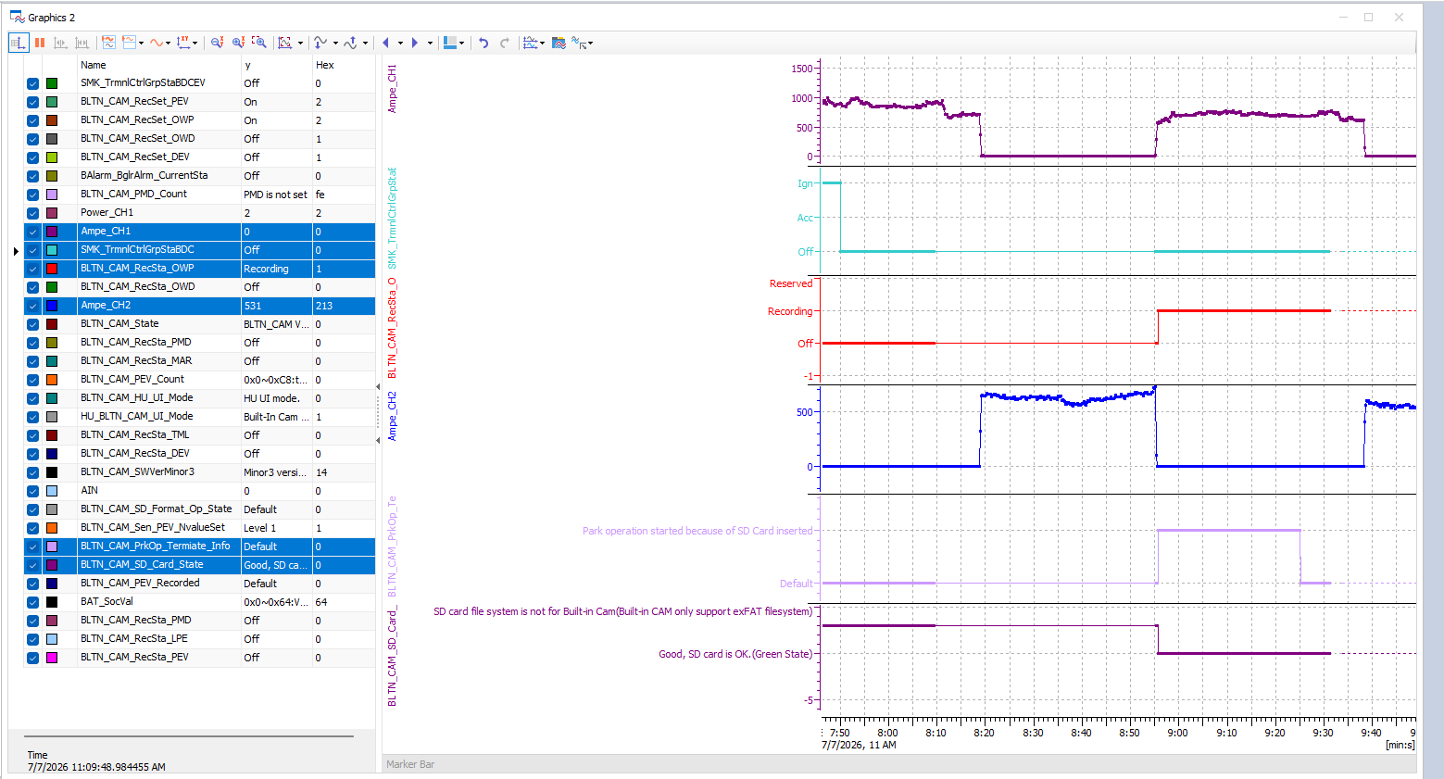 | O |  | X | 주차녹화_지원
 |  | 3 |  | SD card removal during parking recording | 12 V | B+ | ↑ ▪ Remove SD card | ▪ BLTN_CAM_PrkOp_Termiate_Info = 0x4 (Park operation terminated earlier) - for 30 seconds ▪ Enter Sleep (Satisfies the dark current condition of 2mA or less during parking recording) |  |  |  |  | O |  | X | 주차녹화_지원
 |  | 4 |  | Reinsert SD card during parking recording | 12 V | B+ | Up ▪ Insert SD card (repeat insertion and removal 5 times to confirm) ▪ Wait until Network Sleep is enabled with the card inserted | ▪ Start continuous parking recording upon insertion / Stop upon removal ▪ BLTN_CAM_PrkOp_Termiate_Info = 0x5 (Park operation started) - for 30 seconds = 0x4 (Park operation terminated earlier) - for 30 seconds ▪ Enter Sleep (Satisfies dark current condition of 2mA or less during parking recording) |  |  |  | 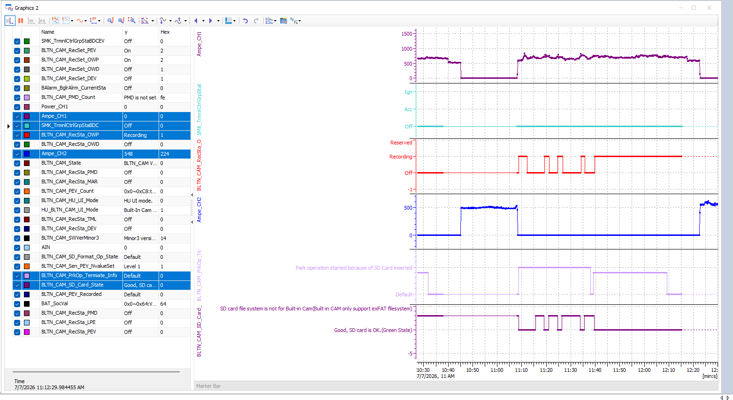 | O |  | X | 주차녹화_지원
 |  | 8 |  | Early termination due to an issue with the SD card memory | 12 V | IGN | ▪ Insert an SD card with a different format during recording | ▪ 0x2:Park operation terminated earlier than user set because of SD Card Problem |  |  |  |  |  |  | X | 주차녹화_지원
 |  | 9 |  | Early termination due to internal built-in cam failure | 12 V | IGN | ▪ Start parking recording after turning KEY OFF ▪ Enter Sleep mode after disconnecting the LIN cable while Network Alive | ▪ 0x3:Park operation terminated earlier than user set because of Built-in Cam internal Error |  |  |  | 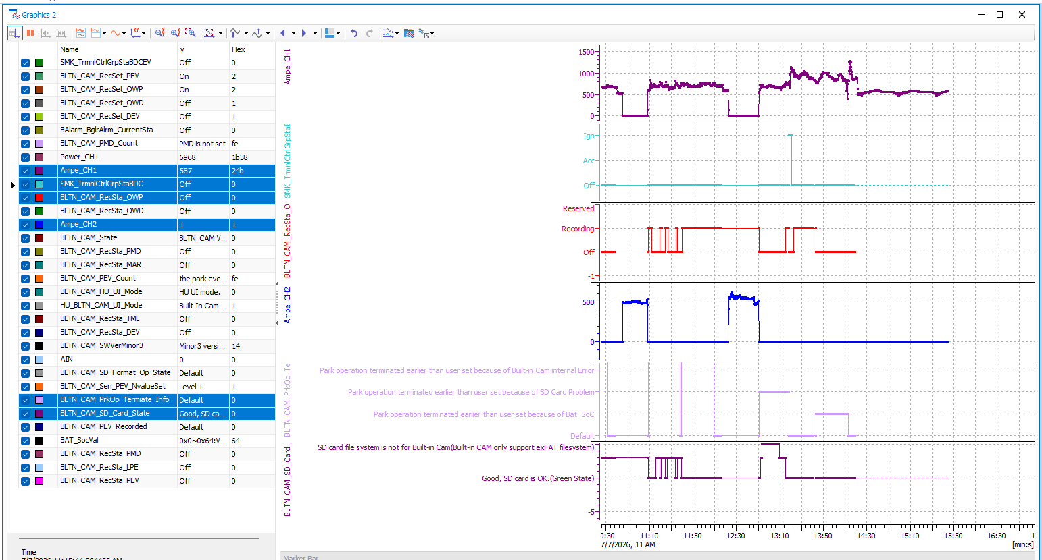 |  |  | X | 주차녹화_지원
 |  | 3 |  | KEY ON while transmitting impact video | 12V | B+ | ▪Parking Continuous Recording Setting On, Event Notification Setting On ▪Enter Parking Continuous Recording after KEY OFF - Before Park ▪Impact detected ▪Turn KEY ON after approximately 1 minute | (Actual Vehicle) ▪ Successful transmission of the relevant impact recording video |  |  |  |  |  |  | X | 주차충격 알림_지원
 |  | 4 |  |  | 12V | B+ | ▪Enter continuous parking recording after turning KEY OFF ▪Confirm Sleep mode entry - Next Park ▪Impact detected ▪Turn KEY ON after approximately 1 minute | (Actual Vehicle) ▪ Successful transmission of the relevant impact recording video |  |  |  |  |  |  | X | 주차충격 알림_지원
 |  | 5 |  | KEY ON during continuous transmission of impact video | 12V | B+ | ▪Parking Continuous Recording Setting On, Event Notification Setting On ▪Enter Parking Continuous Recording after KEY OFF - Before Park ▪Impact triggered ▪Check BLTN_CAM_PEV_Recorded = 0x2 ▪Trigger impact again 20 seconds after impact recording starts : Point in time after previous impact recording ended ▪Turn KEY ON after BLTN_CAM_RecSta_PEV = 0x1 | (Actual Vehicle) ▪ Transmits only impact footage up to the point of KEY ON : Before transmitting BLTN_CAM_PEV_Recorded = 0x2(Park Event Recorded) When KEY ON, only the footage currently being transmitted is sent, and subsequent footage is not transmitted |  |  |  |  |  |  | X | 주차충격 알림_지원
 |  | 6 |  |  | 12V | B+ | ▪Parking Continuous Recording Setting On, Event Notification Setting On ▪Enter Parking Continuous Recording after KEY OFF ▪Confirm Sleep Entry ▪Apply Impact ▪Confirm BLTN_CAM_PEV_Recorded = 0x2 ▪Apply Impact Again 20 seconds after Impact Recording Starts : Point in time after previous impact recording ended ▪Enter KEY ON after BLTN_CAM_RecSta_PEV = 0x1 | (Actual Vehicle) ▪Confirmed transmission of impact footage up to the point of KEY ON : Before transmitting BLTN_CAM_PEV_Recorded = 0x2(Park Event Recorded) Upon KEY ON, only the footage currently being transmitted is sent, and subsequent footage is not transmitted. |  |  |  |  |  |  | X | 주차충격 알림_지원
Verification of the impact of changes in the timing at which information in recording files for CCS transmission is populated | CCS_019 | 1 | Confirmation of CCU Impact - Reflected starting from SV1 regularization in May | Check file information at the time parking recording is completed | 12V | B+ | ▪Parking Continuous Recording Setting On, Event Notification Setting On ▪Enter Parking Continuous Recording after KEY OFF ▪Confirm Sleep Entry ▪Impact Detected ▪Confirm Impact Video Transmission | (Actual Vehicle) After CCS operation is complete, verify consistency of front/rear file names, sizes, etc. in the files ▪ Verify front/rear video dates (corresponding date and time) ▪ Verify front/rear video sizes (1.5 Mbyte or less) |  |  |  |  |  |  | X | 주차충격 알림_지원
 |  | 2 |  | Check file information at the time of parking recording completion (continuous) | 13V | B+ | ▪↑ ▪ Re-apply shock 1 minute after the initial shock ▪ After transmission is complete, maintain BLTN_CAM_PEV_Recorded = 0x0 for 1 second ▪ Then transition back to BLTN_CAM_PEV_Recorded = 0x2 ▪ Repeat this process 4 times (total 5 shocks) | (Actual Vehicle) After CCS operation is complete, verify consistency of front and rear file names, sizes, etc. in the files ▪ Verify the date of each front and rear video (corresponding date and time) ▪ Verify the size of each front and rear video (1.6 Mbyte or less) |  |  |  |  |  |  | X | 주차충격 알림_지원
Verification of the impact of disabling notification signals in the event of parking impact recording failure after wake-up | CCS_020 | 1 | Check Recording Failure Conditions - Applied starting from the May SV1 update | Apply impact after removing the SD card following entry into parking recording | 12V | B+ | ▪Parking Continuous Recording Setting On, Event Notification Setting On ▪Enter Parking Continuous Recording after KEY OFF - Before Park ▪Remove SD card within 2 seconds ▪Impact applied | (Actual Vehicle) ▪ No impact notification sent ▪ Enters Sleep (Satisfies dark current condition of 2mA or less during parking recording) |  |  |  |  |  |  | X | 주차충격 알림_지원
 |  | 2 |  |  | 12V | B+ | ▪Parking Continuous Recording Setting On, Event Notification Setting On ▪KEY OFF ▪Enter Sleep mode, then enter Parking Continuous Recording ▪Remove SD card within 2 seconds ▪Apply impact | (Actual Vehicle) ▪ No impact notification sent ▪ Enters Sleep (Satisfies dark current condition of 2mA or less during parking recording) |  |  |  |  |  |  | X | 주차충격 알림_지원
 |  | 3 |  | When removing the SD card after CAN Wake Up | 12V | B+ | ▪Parking Continuous Recording Setting On, Event Notification Setting On ▪KEY OFF ▪Enter Parking Continuous Recording after Sleep ▪Impact Received ▪SD Card Removed 15 seconds after CAN Wake Up : SOME/IP Communication Timing After CCU Boot | (Actual Vehicle) ▪ Video will not be transmitted (Text notifications may be sent depending on the timing) ▪ Enter Sleep mode (Satisfies the dark current condition of 2mA or less during parking recording) |  |  |  |  |  |  | X | 주차충격 알림_지원
 |  | 4 |  |  | 12V | B+ | ▪↑ ▪Reinsert SD card | (Actual Vehicle) ▪ Resume Parking Recording ▪ Enter Sleep (Satisfies dark current condition of 2mA or less during parking recording) |  |  |  |  |  |  | X | 주차충격 알림_지원
 |  | 5 |  |  | 12V | B+ | ▪↑ ▪Impact after entering Sleep | ▪BLTN_CAM_PEV_Recorded = 0x2 ▪Confirmation of successful impact video transmission |  |  |  | 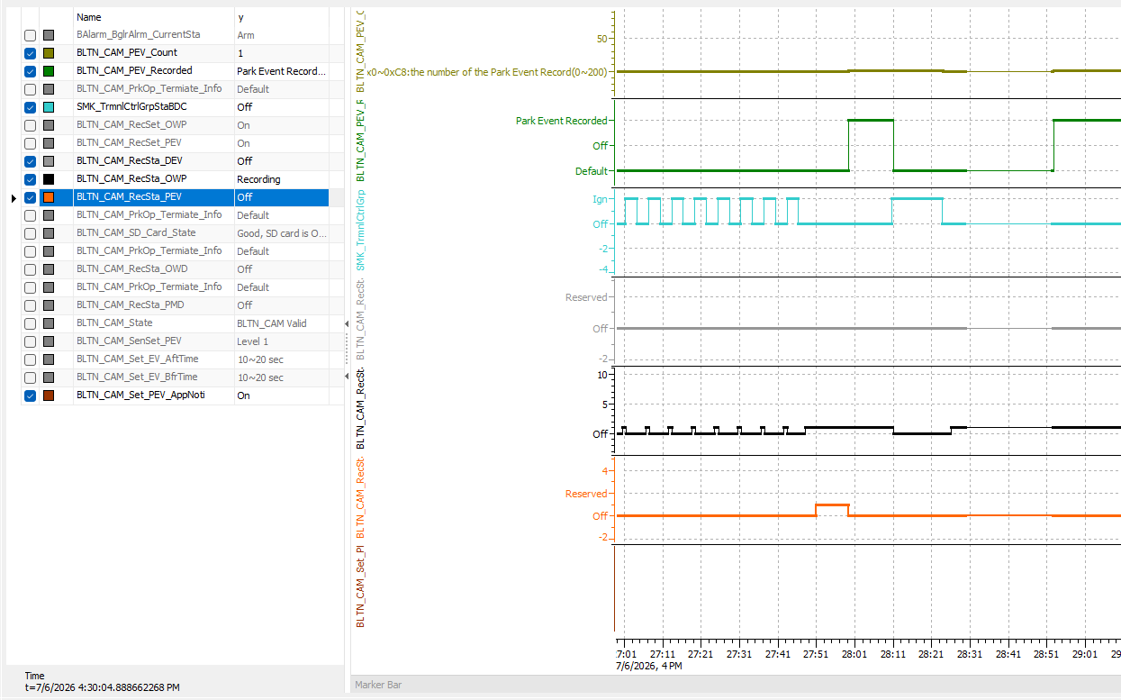 |  |  | X | 주차충격 알림_지원
 |  | 6 |  |  | 12V | B+ |  | ▪ Enters Sleep after transmitting impact video (satisfies dark current condition of 2mA or less during parking recording) |  |  |  | 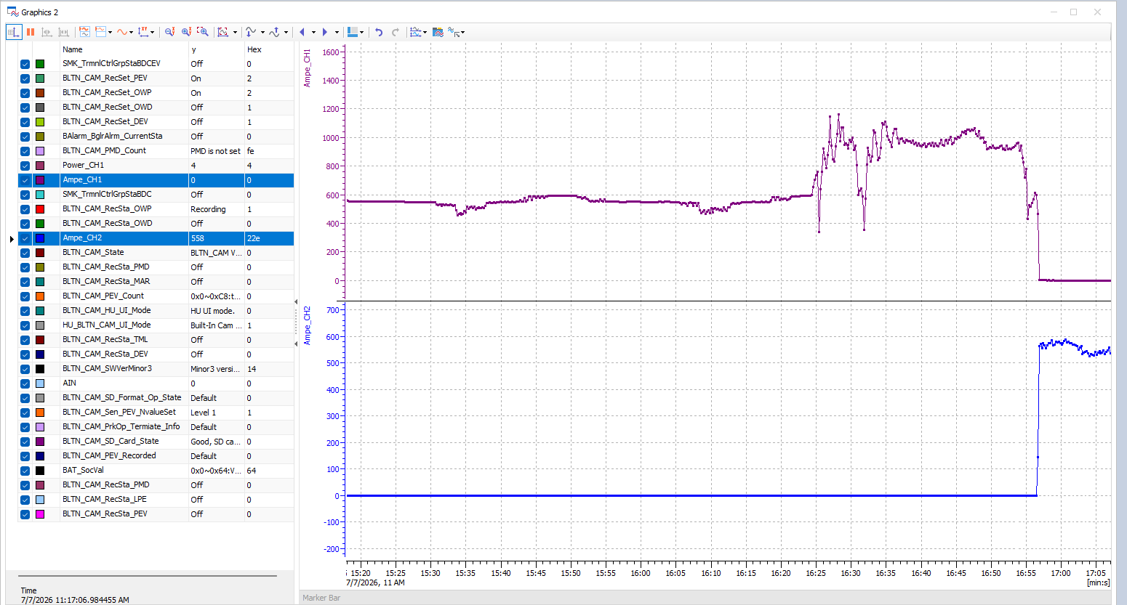 |  |  | X | 주차충격 알림_지원
 |  | 7 |  | Turn the key on within 2 seconds of starting impact recording | 12V | B+ | ▪Parking Continuous Recording Setting On, Event Notification Setting On ▪Enter Parking Continuous Recording after KEY OFF - Before Park ▪Continuous impact detected from the moment parking recording enters ▪KEY ON within 2 seconds | ▪BLTN_CAM_Recsta_PEV = 0x1 ▪BLTN_CAM_PEV_Recorded = 0x0 |  |  |  | 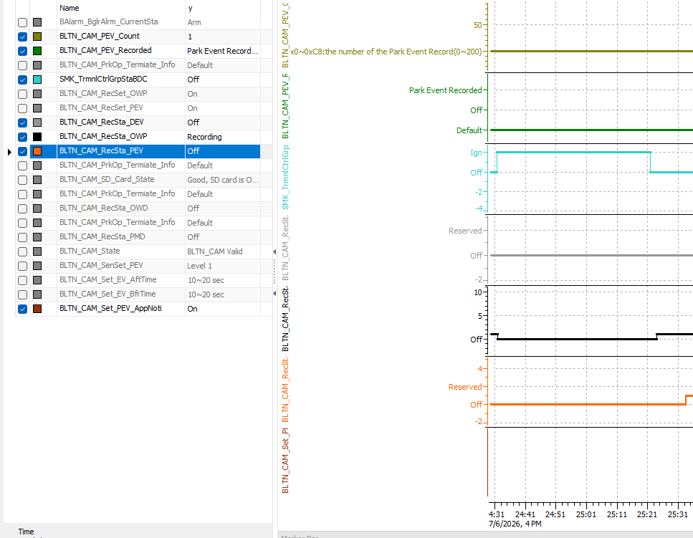 |  |  | O | 주차충격 알림_지원
 |  | 8 |  |  | 12V | B+ | ▪↑ ▪ Enter Built-in Cam Mode after KEY ON ▪ Confirm creation of video files for continuous recording while parked and events while parked | ▪ Create continuous recording files while parked ▪ Create event recording files while parked |  |  |  | 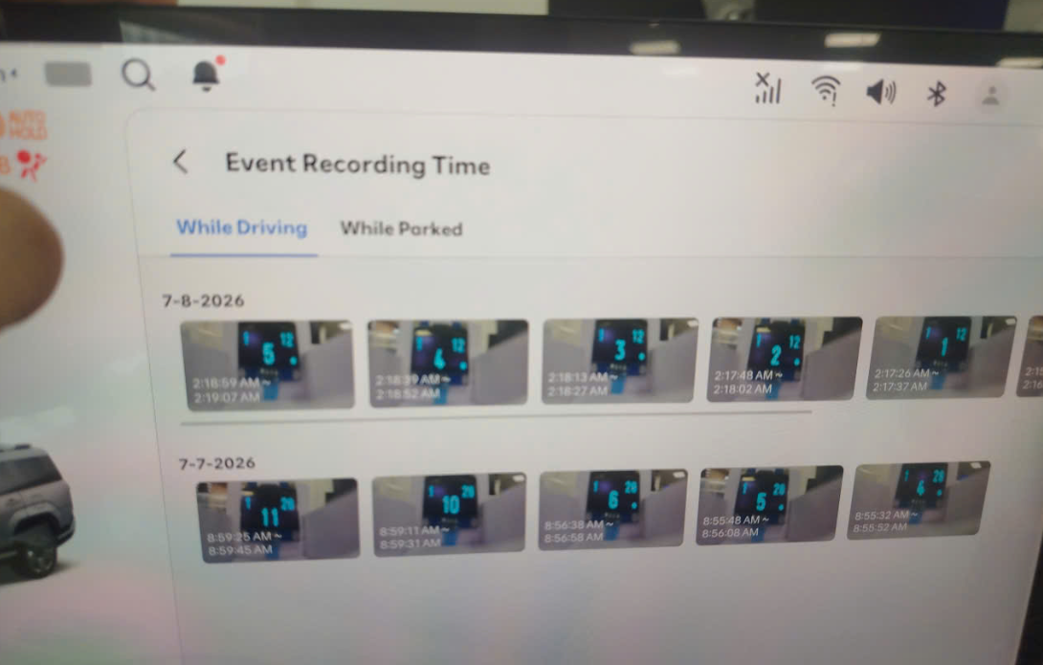 |  |  | X | 주차충격 알림_지원
 |  | 10 |  |  | 12V | B+ | ▪↑ ▪ Enter Built-in Cam Mode after KEY ON ▪ Confirm creation of video files for continuous recording while parked and events while parked | ▪ Confirmed that only 1 continuous parking recording file and 1 parking impact event were generated. |  |  |  |  |  |  | X | 주차충격 알림_지원
 |  | 11 |  | When downloading a link while waking up | 12V | B+ | ▪Parking Continuous Recording Setting On, Event Notification Setting On ▪Enter Parking Continuous Recording after KEY OFF ▪Confirm Sleep Entry ▪Impact Detected ▪CAN Wake Up ▪Eth Link Down | (Actual Vehicle) ▪Confirmation of video transmission failure |  |  |  |  |  |  | X | 주차충격 알림_지원
 |  | 12 |  | Internal failure | 12V | B+ | ▪Parking Continuous Recording Setting On, Event Notification Setting On ▪Enter Parking Continuous Recording after KEY OFF ▪Confirm Sleep Entry ▪Impact Received ▪CAN Wake Up ▪Built-in Cam Internal Malfunction ※ Requires verification of how to trigger the internal malfunction error | ▪Verification of video transmission failure ▪Continuous recording file not generated while parked ▪Event recording file not generated while parked |  |  |  |  |  |  | X | 주차충격 알림_지원
 |  | 13 |  | Insert non-genuine SD card | 12V | B+ | ▪Parking Continuous Recording Setting On, Event Notification Setting On ▪Enter Parking Continuous Recording after KEY OFF ▪Impact Detected | ▪ Within 5 seconds of impact application ▪ BLTN_CAM_RecSta_PEV = 0x1 ▪ BLTN_CAM_PEV_Recorded = 0x2 ▪ BLTN_CAM_PEV_Count = Increase by 0x1 |  |  |  | 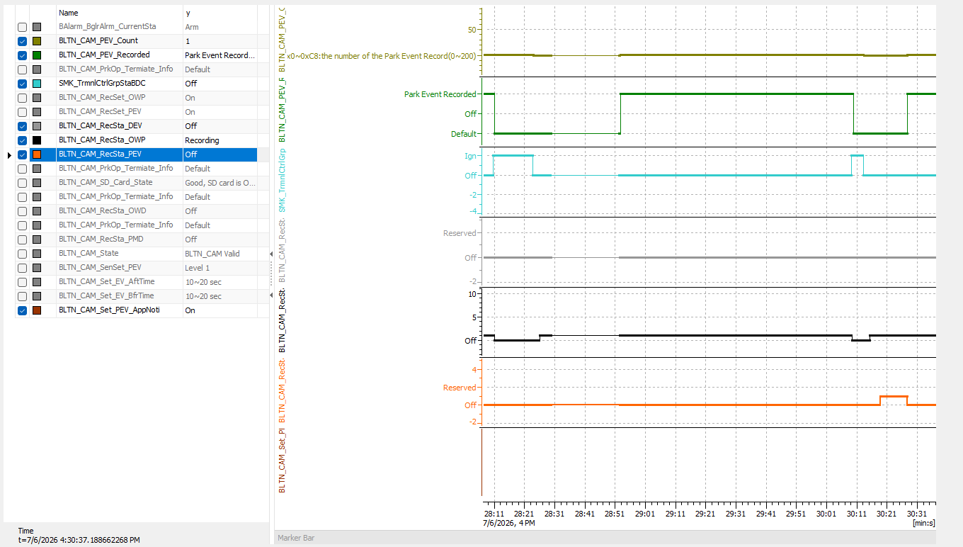 |  |  | X | 주차충격 알림_지원
 |  | 14 |  |  | 12V | B+ | ▪↑ ▪Wait for transition to BLTN_CAM_PEV_Recorded = 0x0 | ▪Time Out after 5 minutes with BLTN_CAM_PEV_Recorded = 0x0 (Single unit) ▪BLTN_CAM_PEV_Recorded = 0x0 after video transmission is complete (Actual vehicle) |  |  |  |  |  |  | X | 주차충격 알림_지원
Confirmation of impact when shock is applied during OTA | CCS_021 | 1 | [Update] : When shock recording occurs during the update | Is shock recording enabled during BG update? | 12V | B+ | ▪USB update in progress (immediately after BG update starts) ▪KEY OFF ▪Balarm_BglrAlrmCurrentSta = 0x2(Arm) ▪Impact applied | ▪BLTN_CAM_RecSta_PEV = 0x1 ▪BLTN_CAM_PEV_Recorded = 0x2 ▪USB update will not be interrupted |  |  |  | HU_OTA 차종 |  |  | X | 주차충격 알림_지원
 |  | 2 |  |  | 12V | B+ | ▪USB Update in Progress (Later part of BG Update) - Verify via Real-time Log (Before Boot Sector SWAP) ▪KEY OFF ▪Balarm_BglrAlrmCurrentSta = 0x2(Arm) ▪Impact Applied | ▪BLTN_CAM_RecSta_PEV = 0x1 ▪BLTN_CAM_PEV_Recorded = 0x2 ▪USB update will not be interrupted |  |  |  | HU_OTA 차종 |  |  | X | 주차충격 알림_지원
 |  | 3 |  | Enable shock recording during FG update | 12V | B+ | ▪ Verify that the "Update in progress" message is displayed when KEY OFF after BG is complete ▪ KEY OFF ▪ Balarm_BglrAlrmCurrentSta = 0x2(Arm) ▪ Impact detected ▪ Touch "Install Now" popup | ▪BLTN_CAM_RecSta_PEV = 0x1 ▪BLTN_CAM_PEV_Recorded = 0x2 ▪USB update will not be interrupted |  |  |  | HU_OTA 차종 |  |  | X | 주차충격 알림_지원
 |  | 4 |  |  | 12V | B+ | ▪Check CAN Wake Up during the latter part of FG ▪Apply ICU_BS2SoC = 70% or higher ▪Balarm_BglrAlrmCurrentSta = 0x2(Arm) ▪Apply shock | ▪BLTN_CAM_RecSta_PEV = 0x1 ▪BLTN_CAM_PEV_Recorded = 0x2 ▪USB update will not be interrupted |  |  |  | HU_OTA 차종 |  |  | X | 주차충격 알림_지원

